Table 1
IDTA 02046-1-0 Workstation Worker Matching Data June 2024
S P E C I F I C A T I O N
Submodel Template of the Asset Administration Shell

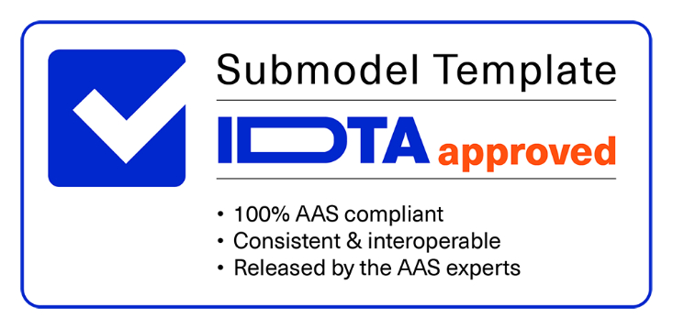

Imprint
Publisher Industrial Digital Twin Association Lyoner Strasse 18 60528 Frankfurt am Main Germany https://www.industrialdigitaltwin.org/ Version history
Date | Version/Revision | CHANGES made
2024-06-14 | 1.0 | Release of the official Submodel template published by IDTA.
Contents
1 General 6 1.1 About this document 6 1.2 Motivation and Scope of the Submodel 6 1.3 Relevant standards 7 2 Approach of the Submodel 8 2.1 Use cases and requirements 8 2.2 Structure and design decisions 9 3 Submodel and SubmodelElements 11 3.1 SubmodelElements of the Submodel template “WorkstationWorkerMatchingData” 11 3.2 SubmodelElements of the SMC “GeneralWorkstationData” 12 3.3 SubmodelElements of the SMC “WorkstationInformation” 12 3.4 SubmodelElements of the SML “GeneralQualificationDemand” 14 3.5 SubmodelElements of the SMC “GeneralQualificationDemandRecord” 15 3.6 SubmodelElements of the SML “GeneralSkillDemand” 16 3.7 SubmodelElements of the SMC “GeneralSkillDemandRecord” 16 3.8 SubmodelElements of the SMC “ErgonomicWorkstationProfile”

Figures
Figure 1: Potential implementation of an AAS with Submodel “Workstation Matching Data” 8 Figure 2: Information structuring of the Submodel template “WorkstationWorkerMatchingData” 9 Figure 3: Example of a class within the ECSO classification 28 Figure 4: Description of the eight EQF levels 29
Tables
Table 1: Submodel elements of “WorkstationWorkerMatchingData” 11 Table 2: Submodel elements of “GeneralWorkstationData” 12 Table 3: Submodel elements of “WorkstationInformation” 12 Table 4: Submodel elements of “GeneralQualificationDemand” 14 Table 5: Submodel elements of “GeneralQualificationDemandRecord” 15 Table 6: Submodel elements of “GeneralSkillDemand” 16 Table 7: Submodel elements of “GeneralSkillDemandRecord” 16 Table 8: Submodel elements of “ErgonomicWorkstationProfile” 17 Table 9: Submodel elements of “AllowedPersonalLimitations” 18 Table 10: Submodel elements of “AllowedPersonalLimitationsRecord” 18 Table 11: Submodel elements of “WorkstationConfigurationRecords” 19 Table 12: Submodel elements of “WorkstationConfigurationRecord” 19 Table 13: Submodel elements of “ProprietaryConfigurations” 20 Table 14: Submodel elements of “ProprietaryConfigurationsRecord” 21 Table 15: Submodel elements of “PlannedQualificationDemand” 21 Table 16: Submodel elements
1 General
1.1 About this document This document is a part of a specification series. Each part specifies the contents of a Submodel template for the Asset Administration Shell (AAS). The AAS is described in [1], [2], [3] and [6]. First exemplary Submodel contents were described in [4], while the actual format of this document was derived by the "Administration Shell in Practice" [5]. The format aims to be very concise, giving only minimal necessary information for applying a Submodel template, while leaving deeper descriptions and specification of concepts, structures and mapping to the respective documents [1] to [6]. The target group of the specification are developers and editors of technical documentation and manufacturer information, which are describing assets in smart manufacturing by means of the Asset Administration Shell (AAS) and therefore need to create a Submodel instance with a hierarchy of SubmodelElements. This document especially details on the question, which SubmodelElements with which semantic identification shall be used for this purpose.
1.2 Scope of the Submodel The focus of the Submodel “Workstation Worker Matching Planning” is on the employee scheduling and operational deployment of employees who carry out manual activities in production. The activities performed can include, for example, the processing of products, their assembly, the operation of machines and systems, as well as their loading and set-up, transportation, quality inspections, maintenance, servicing and much more. With the high level of automation and increasing digitalization and autonomation of production the requirements for the planning and management of employees are changing. In future, employees will have to be deployed in a more situational and targeted manner according to their qualifications and skills. The fixed assignment of an employee to a workstation for an entire shift, in which the employee covers all the skills potentially required at the workstation, will no longer be the norm. In an Industry 4.0 production environment, different requirements are placed on employee scheduling than in a traditional production system, in which employees are manually assigned, usually by the group leader. In Industry 4.0 production, employees and the (autonomous) automation system will have to work together synergistically and employees with the appropriate qualifications or skills will have to be scheduled and managed according to the situation. When qualified personnel resources are scarce, the optimal allocation of qualifications and skills is particularly important. The current approach of employee scheduling (shift planning) and operative employee deployment by the group leader will reach its limits in future Industry 4.0 production. The classic qualification matrix for planning the necessary qualifications and skills will also no longer be sufficient. The manual creation and maintenance of the matrix will get at its limits and is not interoperable. The "Workstation Worker Matching Data" Submodel is used to map the genera
With this Submodel the demand of qualifications and skills of a production workstation has been modeled. Together with a potential future Submodel specification for employees that covers also the supply of qualifications and skills an automated matching between workstations and workers and thereby an automated employee scheduling and deployment can be realized by additional tools/algorithms which use the submodels data.
The scheduling of workers should take care of the specific challenges that come with the scheduling of human employees. These challenges include the variability in the human tasks. This includes variability between humans that is, among other things, dependent on experience and inside humans for example induced by tiredness. Also, humans might have a demand for a certain variation in tasks, which might be achieved by task rotation. There might also be limits to the maximal exposure that is allowed for a task, for example for physically and cognitive demanding tasks, exposure to substances, or environmental factors. The used scheduling tools/algorithms should include the factors associated with these challenges like maximal task duration or cycle time variability. Due to the dependence between assigned worker and resulting demand of qualification and skills in terms of needed time for tasks there is an additional difficulty for exact and realistic scheduling.
The demand for human qualifications and skills at a workstation is a result of the assignment of tasks (steps of a workplan) to a workstation. This Submodel Template assumes that there is a tool existing that is determining the demand for qualification and skills from the production plan and workplan and is writing the aggregated result into the AAS.
OUTLOOK FOR FUTURE VERSIONS OF THIS SUBMODEL TEMPLATE With this Submodel Template also general workstation information or ergonomic aspects are covered. The recommendation of the authors is for future versions to have separate Submodel Templates for these aspects for a workstation. There, more details can be considered, e.g., for maximum lifting weight posture and frequency can be added to make accurate estimations.
1.3 Relevant standards One important standard for competence management that is also relevant in production is ISO 27001:2022 clause 7.2 competence. To meet the requirements of this clause in production companies often a competence matrix is implemented. Further standards (classifications) are of special interest for the Submodel:
• ESCO (European Skills, Competences, Qualifications and Occupations) • O*NET OnLine (to ESCO comparable classification for US) • European Qualification Framework (EQF) with its levels • IEC 62264-1:2013 - Enterprise-control system integration, Part 1: Models and terminology
As public classification of skills in the Submodel the ESCO classification can be used. The latest ESCO dataset has the version v1.1.1. The classification can be found at the ESCO-website: https://esco.ec.europa.eu/en. The classification ID (URI) is http://data.europa.eu/esco/skill/335228d2-297d-4e0e-a6ee-bc6a8dc110d9. An example of an ESCO class can be found in the appendix A.
As public classification for competence (skill) levels of the European Qualification Framework (EQF) can be referred to. The description of the eight EQF levels can be found at the europass-Website: https://europa.eu/europass/en/description-eight-eqf-levels and within this document in the appendix A.
Some relevant publications for this Submodel template specification can be found in the Bibliography under [7], [8] und [9].
2 Approach of the Submodel
2.1 Use cases and requirements The use cases of this Submodel template are employee (worker) scheduling and deployment in production for workstations as defined as “work unit” in IEC 62264-1. However, the Submodel can be applied to other kind of workplaces as for example mobile workplaces as well. Following main requirements arise out of these use cases: • Mapping of a time-based target profile (demand) of qualifications and skills for a workstation. In combination with a Submodel for the supply side (qualification and skills for employees), this should enable automated employee scheduling and deployment in the future. • Digitalization of the qualification matrix as used to fulfill the requirements of ISO 27001:2022 for example. • Creation of a prerequisite for realistic detailed production planning and control (APS), considering the "qualifications and skills" bottleneck. • Creation of the prerequisites for real-time employee deployment in an Industry 4.0 production system and leveraging of optimization potentials, like best fit of the deployed competence levels, avoidance of workstation changes and long walking times or consideration of preferences of workers. • Insights on mid- and long term qualification and skill demand based on data analytics in order to understand the future demand structure and plan appropriate qualification and training measures.
With this Submodel, the demand side for qualifications and skills of a workstation is mapped. In Figure 1, the Submodel is exemplarily integrated into an overall IT infrastructure of a production company with an ERP (order management and production planning), APS (advanced planning and scheduling systems) and MES (manufacturing execution system) or a shift planning system.
Figure 1: Potential implementation of an AAS with Submodel “Workstation Matching Data” Based on a qualification and competence catalogue the ERP/MES will add information about the qualification and competence as information to the single working steps of a work plan. The APS is generating the time-based demand structure under consideration of the supply information that can be obtained from the AAS of the workers. The MES/shift planning system is performing the operative deployment and controlling of the workers.
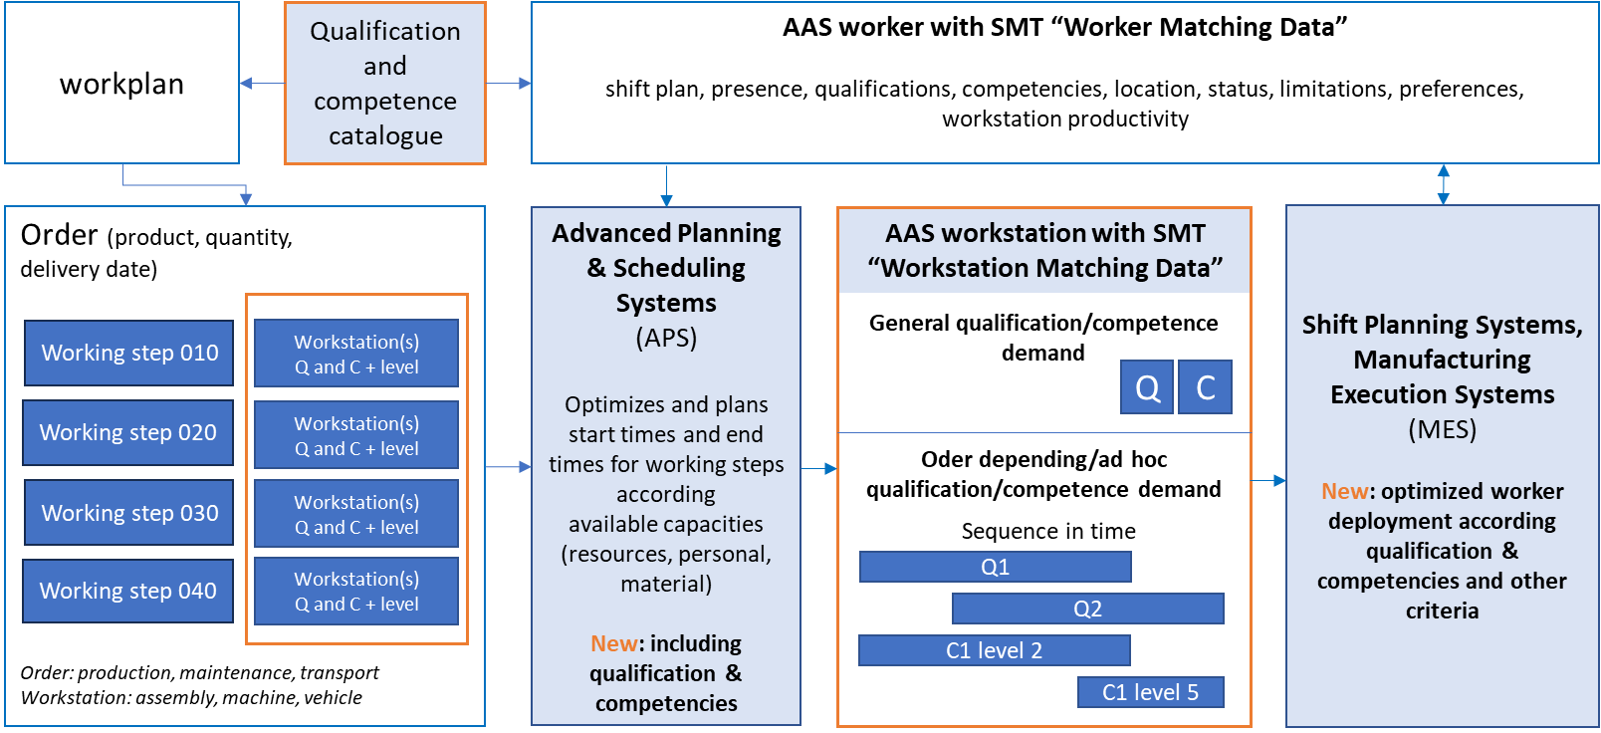
Within the Submodel three kinds of scheduled (planned) demands on qualification and skills are differentiated: • general: Demand that is required when working at the workstation in general. • ad-hoc: Demand that arises sporadically based on certain events, like an unplanned repair task that must be scheduled at a workstation. • orderDependending: Demand that is generated due to a specific production order (ordinary production order, maintenance order, transportation order, etc.). For example, a certain product has a workplan that requires a specific qualification to perform a work step. This qualification would have to be scheduled together with the general qualification demand and potential ad-hoc demand for the workstation.
2.2 Structure and design decisions The structure of the Submodel “WorkstationWorkerMatchingData” is shown in Figure 2. The Submodel has been divided into the two SubmodelElementCollections “GeneralWorkstationData”, “ErgonomicWorkstationProfile” and the three SubmodelElementLists “WorkstationConfigurationRecords”, “PlannedQualificationDemand” and “PlannedSkillDemand”. The SubmodelElementCollection “GeneralWorkstationData” contains the SubmodelElementCollection “WorkstationInformation” that could be moved to a future separate SMT for workstations where all general workstation information is embraced. All other SubmodelElements are related to the use cases as described in section 2.1.
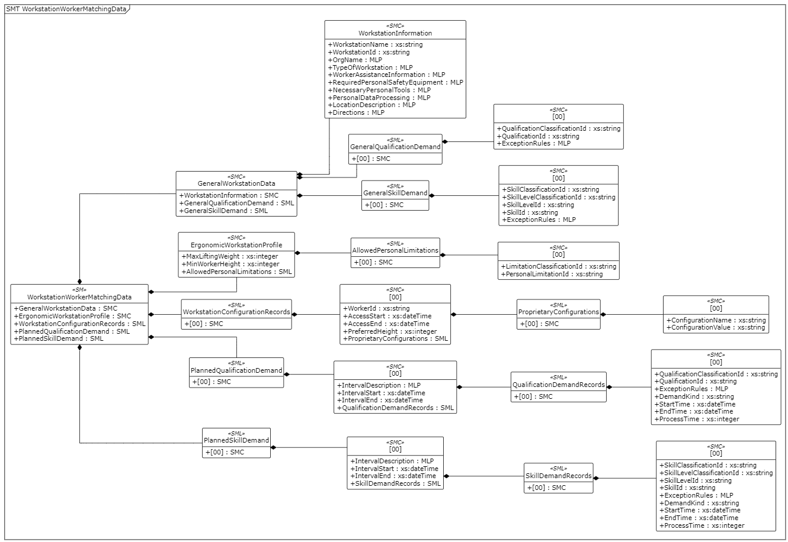
Figure 2: Information structuring of the Submodel template “WorkstationWorkerMatchingData”

The SubmodelElementCollection “GeneralWorkstationData” contains the SubmodelElementLists “GeneralQualificationDemand” and “GeneralSkillDemand”. These are demands that are always existing, when this workstation is in use. Tools can retrieve this data from the asset shell as information but should not interpret the records as concrete demand of production, due to the fact that the workstation will be in use only in certain timeslots. To retrieve the actual demand the SubmodelElementLists “PlannedQualificationDemand” and “PlannedSkillDemand” have to be used, where the planning results of planning tools, like APS, are stored.

Table 16
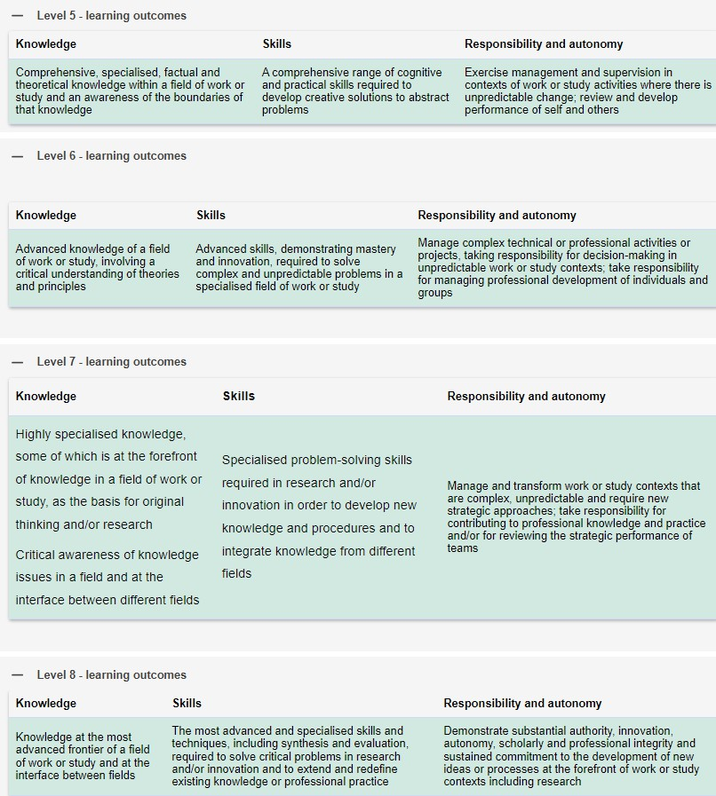
 | semanticListElement |  | [valueTypeListElement] | card.
Class name of contained elements | orderRelevant (Order not relevant/Order relevant) |  | typeValueListElement
SkillDemandRecord | [IRI] https://admin- shell.io/idta/smc/skilldemandrecord/1/0 Order not relevant |  | -- SubmodelElementCollection | [0..*]
3.22 SubmodelElements of the SMC “SkillDemandRecord” Table 22: Submodel elements of “SkillDemandRecords”
idShort: | SkillDemandRecord
Class: | SubmodelElementCollection
semanticId: | https://admin-shell.io/idta/smc/skilldemandrecord/1/0
Parent: | SkillDemandRecords
Explanation: | Worker skill that is required in order to work at the workstation
[SME type] | semanticId = [idType]value | [valueType] |  | card.
idShort | Description@en | example
[Prop] SkillClassificationId | [IRI] https://admin-shell.io/idta/prop/skillclassificationid/1/0 and definition: Identification of the classification system where the skill is classified | [String] |  | [1]
[Prop] SkillLevelClassificati onId | [IRI] https://admin- shell.io/idta/prop/skilllevelclassificationid/1/0 Identification of the classification system where the skill level is classified, e.g., EQR level 1-8 | [String] |  | [0..1]
[Prop] SkillLevelId | [IRI] https://admin-shell.io/idta/prop/skilllevelid/1/0 Identification of the skill level for a worker | [String] |  | [0..1]
[Prop] SkillId | [IRI] https://admin-shell.io/idta/prop/skillid/1/0 Identification of the skill for a worker | [String] |  | [1]
[MLP] ExceptionRules | [IRI] https://admin-shell.io/idta/mlp/exceptionrules/1/0 Exceptions rules that define possible deviations when the required qualification or skill is not available | [langString] |  | [0..1]
[Prop] DemandKind | [IRI] https://admin-shell.io/idta/prop/demandkind/1/0 Kind of the demand, defined by the enumeration: ad- hoc, general, orderDepending | [String] ad-hoc, general, orderDepending |  | [0..1]
[Prop] StartTime | [IRI] https://admin-shell.io/idta/prop/starttime/1/0 Point in time where a process with a certain resource demand starts | [dateTime] |  | [1]
[Prop] EndTime | [IRI] https://admin-shell.io/idta/prop/endtime/1/0 Point in time where a process with a certain resource demand ends | [dateTime] |  | [1]
[Prop] ProcessTime | [IRI] https://admin-shell.io/idta/prop/processtime/1/0 Manual work time that is planned for a production process | [Integer] 120 min |  | [1]
Appendix A – Additional information
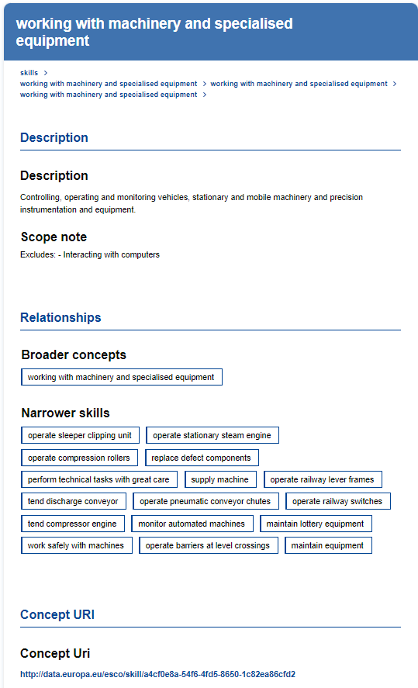
Figure 3: Example of a class within the ECSO classification

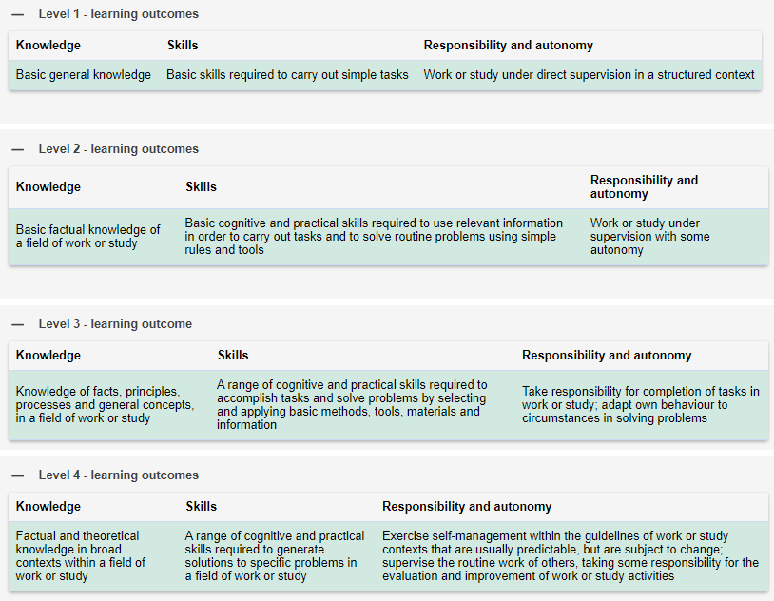
Figure 4: Description of the eight EQF levels

